Development
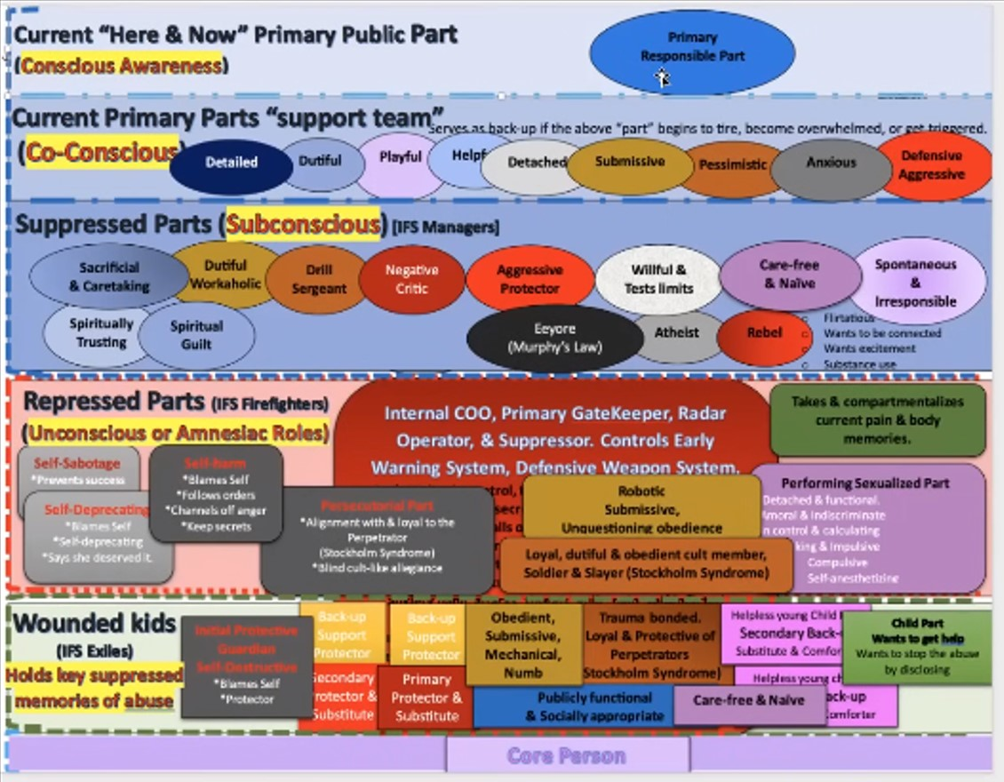
Development
This part of the work really perplexed me for a while. It was when I watched Jon Uhler's interview with Emma of The Imagination Podcast that he said that it is the intensity of the trauma that determines the level/depth of where it lies in the consciousness. Then I got it.
Please see chart to the right.
Another note: Jon told me that if I could think of any other descriptor for a level to add it and let him know (these were all he could think of), that he is only the coach, but that I am on the field and know.
What I did was take his chart and lay it out on excel. I took each topic within the different levels and made a check sheet. This form. Then things started becoming clear to me.
What I want everyone to know is that my levels may be different from yours. For example, my parts selected their level based on their behavior and qualities, is that the way I (the part) am?
 | My levels | Your levels could be
Supressed level | (-1) to (-2) | (-1) to (-3) or even (-4)
Repressed level | (-3) to (-6) | (-3) or (-4) or (-5) to (-6) or (-7) or (-8)
Wounded Kids level | (-7) to (-10) | (-7) or (-8) or (-9) to (-10)
Demonic/MKU influence | (-11) - (-20)

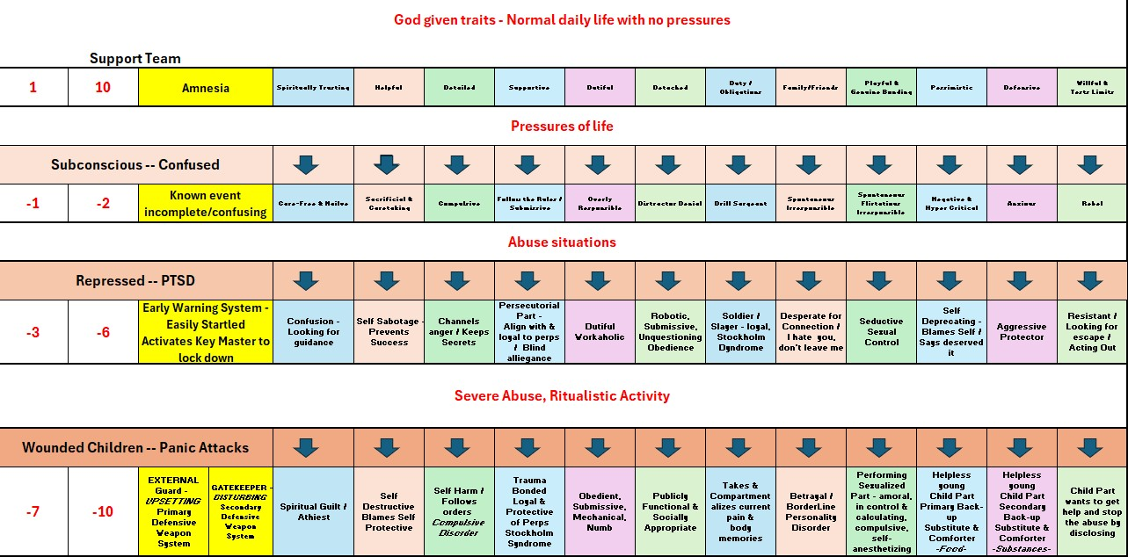
It is all based on how the part behaves and feels. So I began with an intuitive guess. Then as time went on and they revealed their experiences, I discovered that I had some of them on the wrong level. Which is fine, I just corrected it, removed from one level and placed on the next.
I find that if I don't correct it, the part feels neglected and not listened to and begins to rebel a bit, does not diclose any more to me. If that happens then the other parts begin to do the same. So fully recognizing and reflecting their beingness is a big deal to them. And these forms are the proof of that for them. (At least that is how it works for me.) |  |  | The chart below is a reworked version of the above to reflect what I experienced. I had to increase the intensity levels to honor the parts with demonic or MKU experiences.
It occurred to me that because I have 600 parts, that God may have created the mind to only hold so much in each category. Perhaps that when the upper level gets so full, it then pushes some of the greater level trauma for that level down to the next. In this way, when each level gets so full, so to speak, it pushes the worst of it's level to the next lower one, deeper in the subconscious. That could be why my Suppressed level is only (-1) to (-2), because there is so much. And the same for each successive level down. Yours may be different.
So Iooked at how many I had in each level. Guess what? They are about 25% each, give or take about 1 or 2 %. That's what made me think perhaps it's designed to keep a kind of a balance.
So this is why I say, my (-2) may be a (-4) for you. Just look at the descriptors and decide from there.
Feel free to change the labels on the Sort & Age tab for what applies to your situation.

Videos to watch for more clarification:
I highly recommend watching all of them from the beginning.
 | Jon Uhler (SurvivorSupport.net)
 | https://www.youtube.com/@JonKUhlerLPC/videos
Just click the box and it will open your browser to that exact video The highlighted video is the one that pertains to this topic.
(Pt. 1) Understanding a Survivor's Internal System & Starting the Healing Process. Series on DID/MPD |  | https://www.youtube.com/watch?v=2LnB9SWJVPE&list=PLtZMIL9quHbGTOwq0tmlA9_khFG3Sj6wW
Pt. 2) Dissociative Identity Disorder: A look at Parts: Dissociation, Switching & Internal Dialogue |  | https://www.youtube.com/watch?v=_so50pk_Hh0&list=PLtZMIL9quHbGTOwq0tmlA9_khFG3Sj6wW&index=5
Pt 3 Dissociative Identity Disorder: Understanding Co-Conscious & Unconscious States of Dissociation |  | https://www.youtube.com/watch?v=HEomafSjoDI&list=PLtZMIL9quHbGTOwq0tmlA9_khFG3Sj6wW&index=3
(Pt 4) What Happens in the D.I.D. System When a Survivor Gets Triggered? Series on Understanding DID |  | https://www.youtube.com/watch?v=C_HyxuWvhrA&list=PLtZMIL9quHbGTOwq0tmlA9_khFG3Sj6wW&index=2
Pt. 5) D.I.D. Triggering on an Unconscious Level - How Does it Happen, and Why?" Series on DID/MPD. |  | https://www.youtube.com/watch?v=rFZTsgk2XC0&list=PLtZMIL9quHbGTOwq0tmlA9_khFG3Sj6wW&index=6
(Pt. 6) The Priority & Process of Journaling for Extreme Childhood Trauma Survivors. A series on DID |  | https://www.youtube.com/watch?v=4uTQsGezcEQ&list=PLtZMIL9quHbGTOwq0tmlA9_khFG3Sj6wW&index=7
(Pt.7) DID Series: "Early Treatment Stages: Awareness & Cooperation of the Internal System” |  | https://www.youtube.com/watch?v=Fvu-4S82vyk&list=PLtZMIL9quHbGTOwq0tmlA9_khFG3Sj6wW&index=9

